Question 1
Question 1

Understanding the Data
a) Are all the values in the data reasonable? Are there missing values?
b) What are the characteristics of employees at Company A? Do these demographics change over time?
Use tables and charts to understand the data and demographic characteristics of employees at Company A.

a) Not all the values are reasonable. There are 8 observations have age larger than 170, which is impossible. In addition, there are 1238 observations have health score of 10. As health score should be between 0 and 6, those observations should be considered as unreasonable. Also, 71 observations have missing value for sex and 2123 missed race.
b) About half of the employees are female. However, the percentage of female employees decreased compared to Quarter 1. More than half of the employees are Race1, around 30% are Race2 and less than 20% are Race3. The rates of different races are steady. Also, the average age of the employees increases more than 3 years over the time.

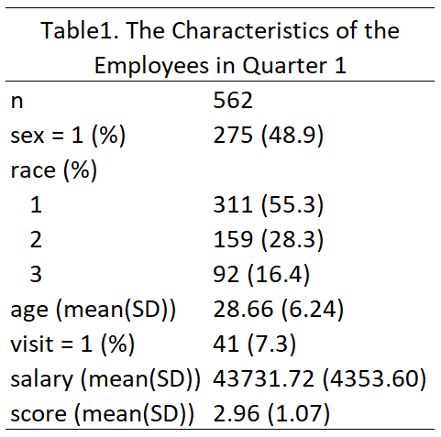

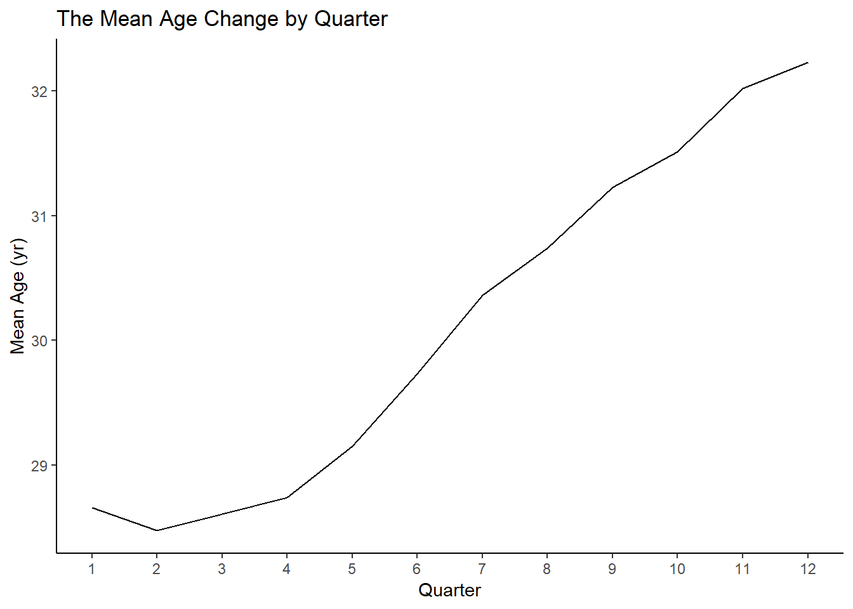
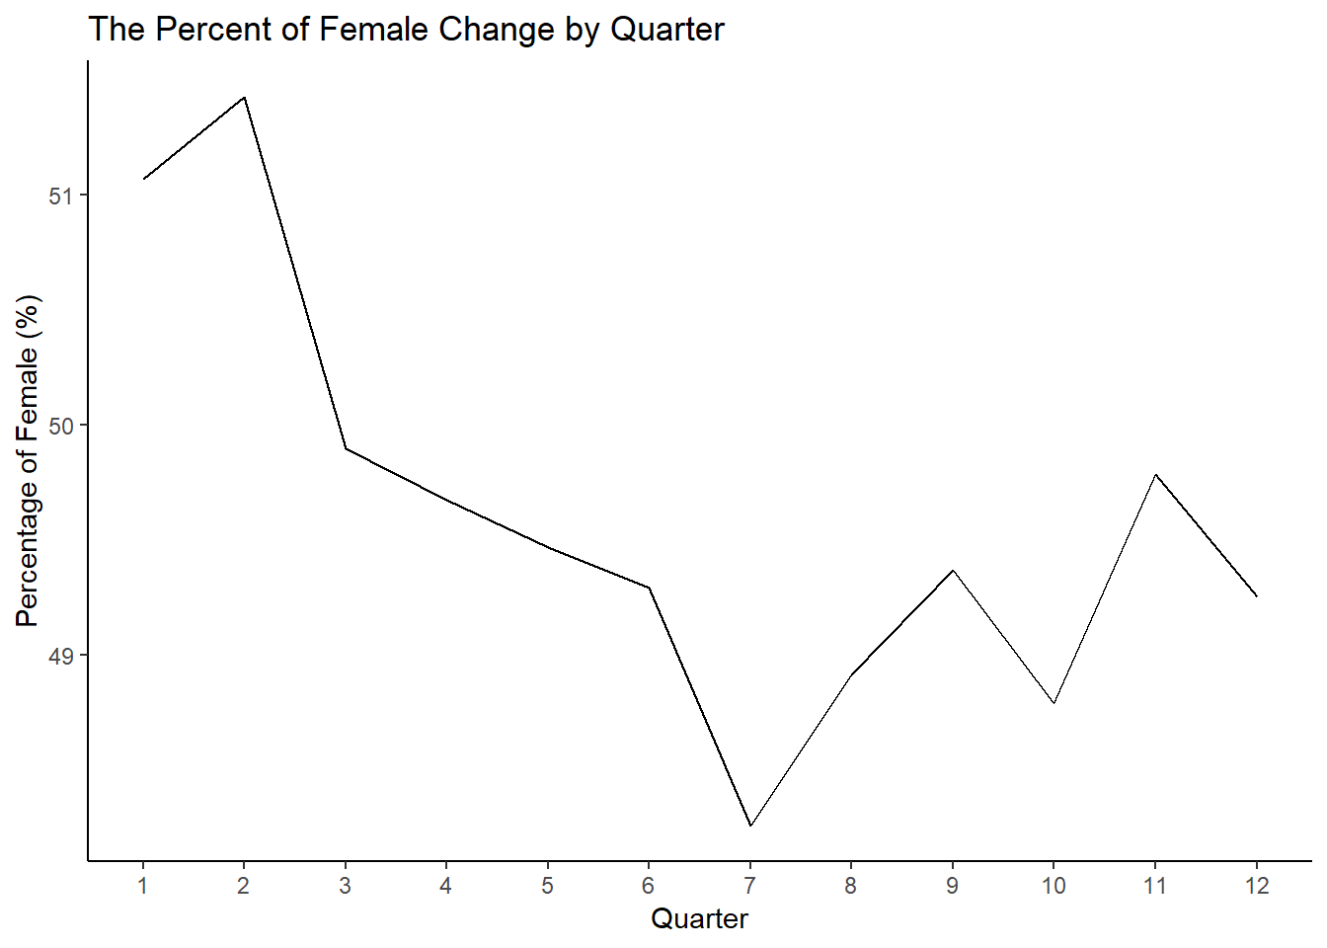

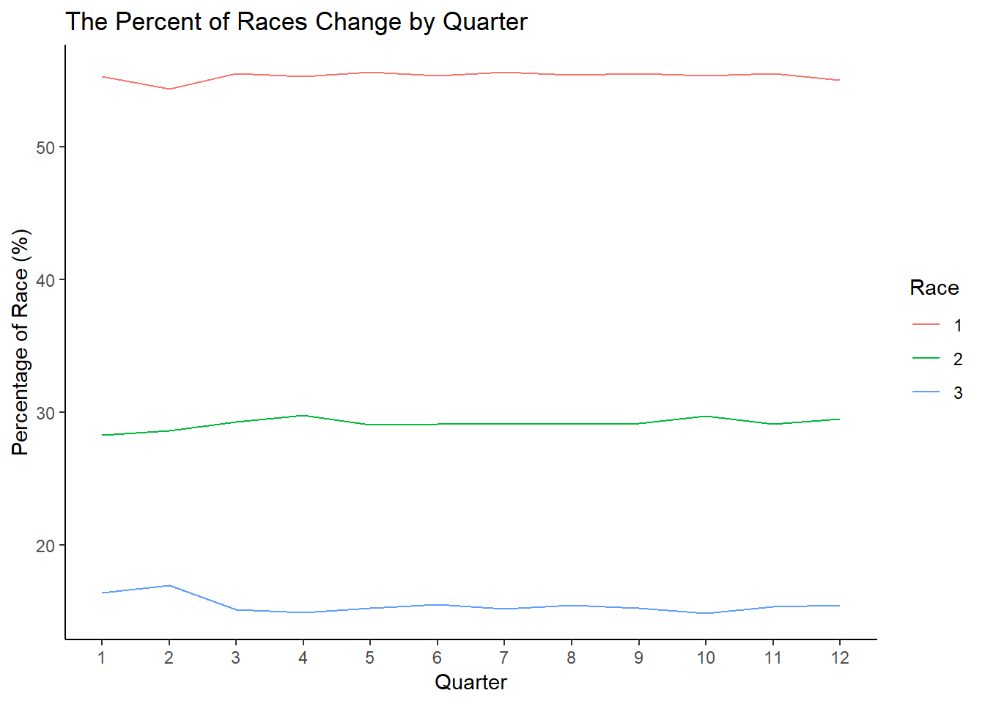
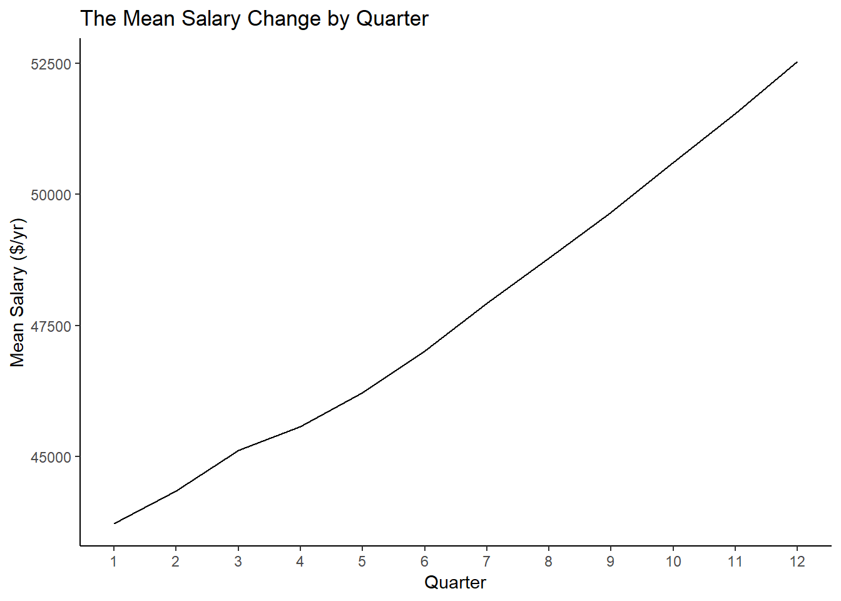

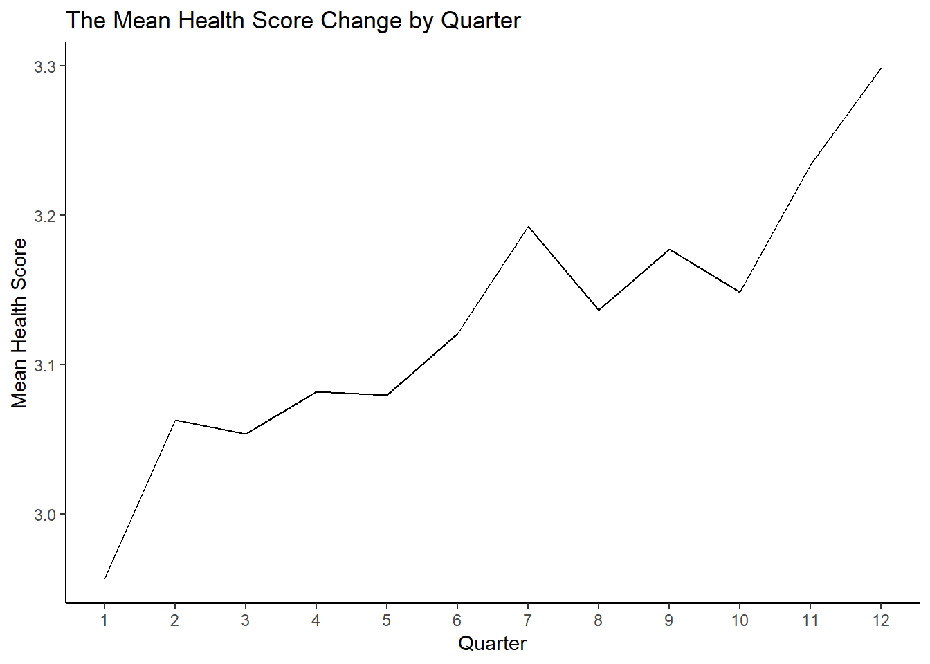
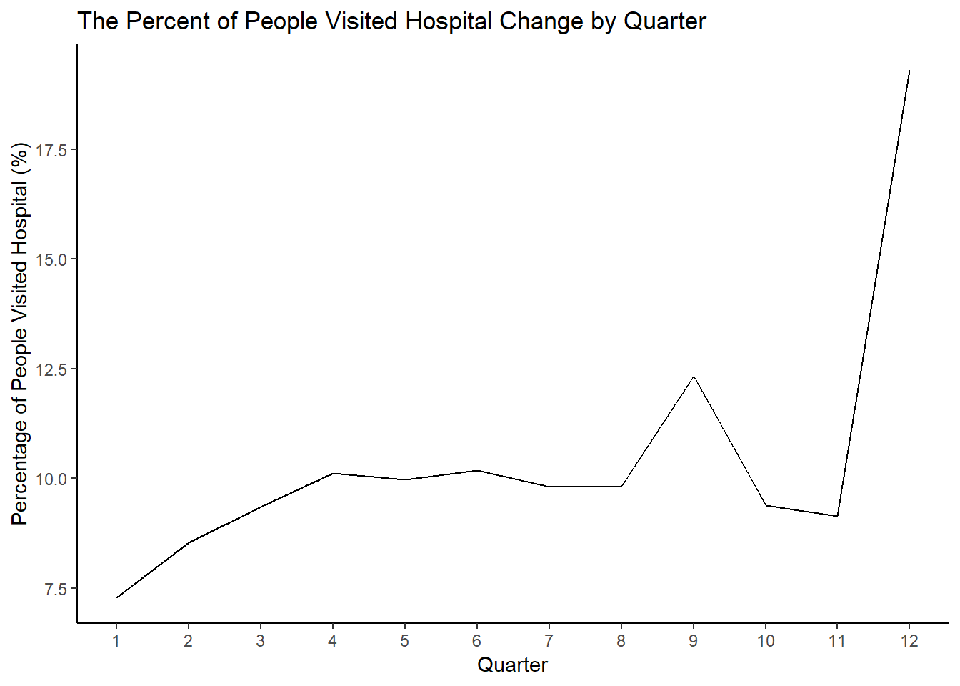

R Code for a): #Rename the variables into shorter form names(data) <- c("obs", "quarter", "id", "sex", "race", "age", "visit", "salary", "score") varlist <- colnames(data) varlist #get the descriptive statistics summary(data) #show age larger than 100 age100 <- data[with(data, age>100), ] #create dataset with only unreasonable obs dim(age100) #get the obs no. and var no. summary(age100$age) #show health score larger than 6 score6 <- data[with(data, score>6), ] dim(score6) summary(score6$score)
R code for b): #recode Age>100 and HealthScore>6 into missing data$age[data$age>100]<-NA data$score[data$score>6]<-NA nomiss <-na.omit(data) attach(nomiss) #table 1 contvar <- c("sex", "race", "age", "visit", "salary", "score") catvar <- c("sex", "race", "visit") CreateTableOne(vars = contvar, strata="quar", nomiss, catvar, includeNA = FALSE) #line chart for cont vars #age age<-data.frame(nomiss) %>% #save mean by quarter as new data group_by(quar) %>% summarise(mean=mean(age), sd=sd(age)) ggplot(data = age, aes(x = age$quar, y=age$mean)) + geom_line(aes()) + labs(x = "Quarter", y = "Mean Age (yr)", title = "The Mean Age Change by Quarter") + scale_x_continuous(breaks = seq(1, 12, by = 1)) + theme_classic()
#salary salary<-data.frame(nomiss) %>% #save mean by quarter as new data group_by(quar) %>% summarise(mean=mean(salary), sd=sd(salary)) ggplot(data = salary, aes(x = salary$quar, y=salary$mean)) + geom_line(aes()) + labs(x = "Quarter", y = "Mean Salary ($/yr)", title = "The Mean Salary Change by Quarter") + scale_x_continuous(breaks = seq(1, 12, by = 1)) + theme_classic() #score score<-data.frame(nomiss) %>% #save mean by quarter as new data group_by(quar) %>% summarise(mean=mean(score), sd=sd(score)) ggplot(data = score, aes(x = score$quar, y=score$mean)) + geom_line(aes()) + labs(x = "Quarter", y = "Mean Health Score", title = "The Mean Health Score Change by Quarter") + scale_x_continuous(breaks = seq(1, 12, by = 1)) + theme_classic()
#line chart for cat var #sex-female sex <- table(quar, sex) prop.table(sex, 1) # row percentages sexfreq <- data.frame(prop.table(sex, 1)) female <- sexfreq[with(sexfreq, sex==0), ] female$pct <- female$Freq*100 female$quar <- as.numeric(as.character(female$quar)) ggplot(data = female, aes(x = female$quar, y=female$pct)) + geom_line(aes()) + labs(x = "Quarter", y = "Percentage of Female (%)", title = "The Percent of Female Change by Quarter") + scale_x_continuous(breaks = seq(1, 12, by = 1)) + theme_classic() #race race <- table(nomiss$quar, nomiss$race) prop.table(race, 1) # row percentages racefreq <- data.frame(prop.table(race, 1)) racefreq$pct=racefreq$Freq*100 racefreq$Var1 <- as.numeric(as.character(racefreq$Var1)) race2 <- sexfreq[with(sexfreq, race==2), ] race3 <- sexfreq[with(sexfreq, race==3), ] ggplot(data = racefreq, aes(x = racefreq$Var1, y=racefreq$pct, group=Var2, colour=Var2)) + geom_line(aes()) + labs(x = "Quarter", y = "Percentage of Race (%)", title = "The Percent of Races Change by Quarter") + scale_x_continuous(breaks = seq(1, 12, by = 1)) + scale_colour_hue(name="Race") + theme_classic()
#visit-yes visit <- table(nomiss$quar, nomiss$visit) prop.table(visit, 1) # row percentages visitfreq <- data.frame(prop.table(visit, 1)) visit1 <- visitfreq[with(visitfreq, Var2==1), ] visit1$pct <- visit1$Freq*100 visit1$Var1 <- as.numeric(as.character(visit1$Var1)) ggplot(data = visit1, aes(x = visit1$Var1, y=visit1$pct)) + geom_line(aes()) + labs(x = "Quarter", y = "Percentage of People Visited Hospital (%)", title = "The Percent of People Visited Hospital Change by Quarter") + scale_x_continuous(breaks = seq(1, 12, by = 1)) + theme_classic()

Question 2
Question 2

Evaluating the Claim
a) Which characteristics are associated with the health score?
Use tables and charts (suggestion: scatter plots for continuous variables) to determine which characteristics are associated with the health score.

In univariate models, all the characteristics (sex, race3, quarter, age, visit, and salary) except race 2 are related to the health score. In the multivariate model, sex, races, age and hospital visit are related to the health score while quarter and salary are not. Linear modeling was used for the analysis.
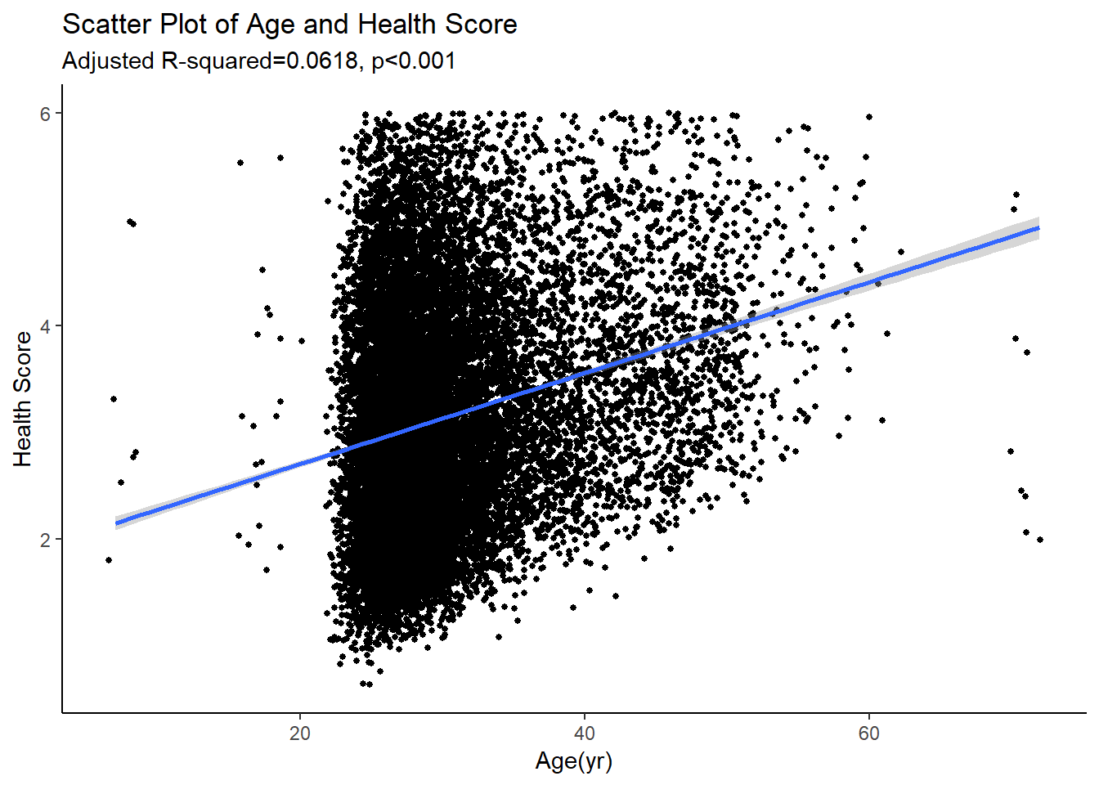
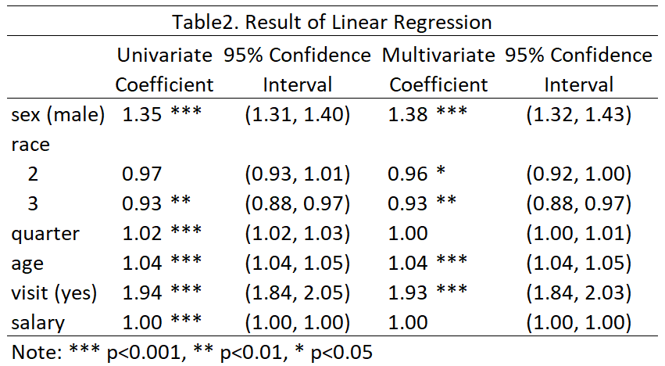

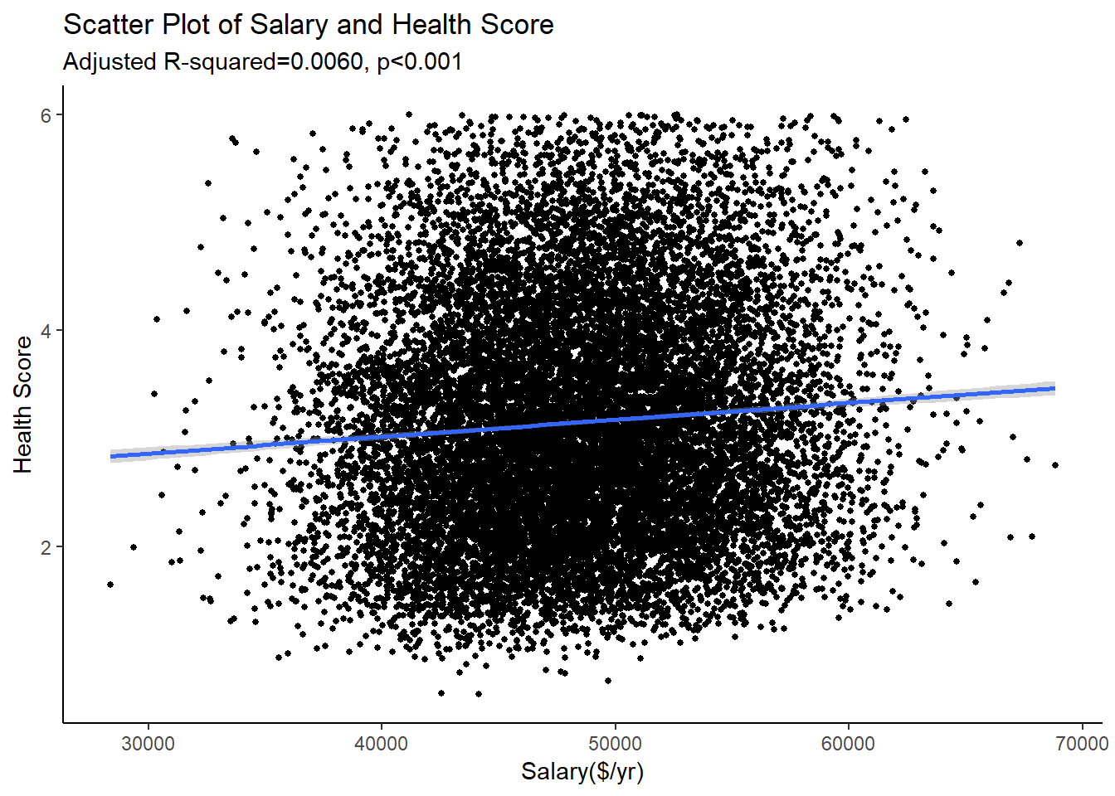
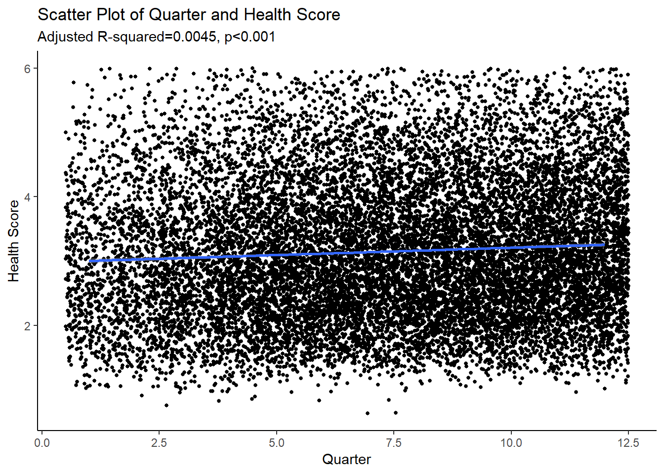

R code: #univariate linear regression #age agelm <- lm(score ~ age, data = nomiss) summary(agelm) exp(cbind("Coefficient" = coef(agelm), confint.default(agelm, level = 0.95))) #scatter plot for age ggplot(data = nomiss, aes(x = age, y = score)) + geom_point(aes(), position = position_jitter(width = .5), size=1) + geom_smooth(method = "lm") + labs(x = "Age(yr)", y = "Health Score", title = "Scatter Plot of Age and Health Score", subtitle= "Adjusted R-squared=0.0618, p<0.001") + theme_classic() #salary salarylm <- lm(score ~ salary, data = nomiss) summary(salarylm) exp(cbind("Coefficient" = coef(salarylm), confint.default(salarylm, level = 0.95))) #scatter plot for salary ggplot(data = nomiss, aes(x = salary, y = score)) + geom_point(aes(), position = position_jitter(width = .5), size=1) + geom_smooth(method = "lm") + labs(x = "Salary($/yr)", y = "Health Score", title = "Scatter Plot of Salary and Health Score", subtitle= "Adjusted R-squared=0.0060, p<0.001") + theme_classic()
#quarter quarlm <- lm(score ~ quar, data = nomiss) summary(quarlm) exp(cbind("Coefficient" = coef(quarlm), confint.default(quarlm, level = 0.95))) #scatter plot for salary ggplot(data = nomiss, aes(x = quar, y = score)) + geom_point(aes(), position = position_jitter(width = .5), size=1) + geom_smooth(method = "lm") + labs(x = "Quarter", y = "Health Score", title = "Scatter Plot of Quarter and Health Score", subtitle= "Adjusted R-squared=0.0045, p<0.001") + theme_classic() #sex sexlm <- lm(score ~ sex, data = nomiss) summary(sexlm) exp(cbind("Coefficient" = coef(sexlm), confint.default(sexlm, level = 0.95))) #race racelm <- lm(score ~ as.character(race), data = nomiss) summary(racelm) exp(cbind("Coefficient" = coef(racelm), confint.default(racelm, level = 0.95))) #visit visitlm <- lm(score ~ visit, data=nomiss) summary(visitlm) exp(cbind("Coefficient" = coef(visitlm), confint.default(visitlm, level = 0.95))) #multivariate linear regression multi <- lm(score ~ sex + as.character(race) + quar +age +visit+salary, data = nomiss) summary(multi)
exp(cbind("Coefficient" = coef(multi), confint.default(multi, level = 0.95)))

